4WD
Pin | Function | Pin | Function

7 | front_sensor_trig

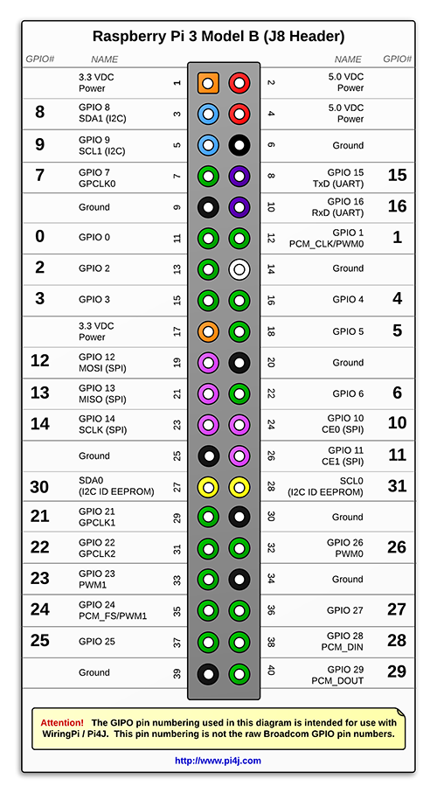
11 | front_sensor_echo | 12 | right_sensor_trig
13 | lft_fr_fwd
15 | lft_fr_rev | 16 | rt_fr_fwd
 |  | 18 | rt_fr_rev

 |  | 22 | right_sensor_echo

29 | left_sensor_trig
31 | left_sensor_echo

35 | lft_bk_fwd | 36 | rt_bk_fwd
37 | lft_bk_rev | 38 | rt_bk_rev

Image: | http://pi4j.com/pins/model-3b-plus-rev1.html

PAN
 | Pin | Function | Pin | Function

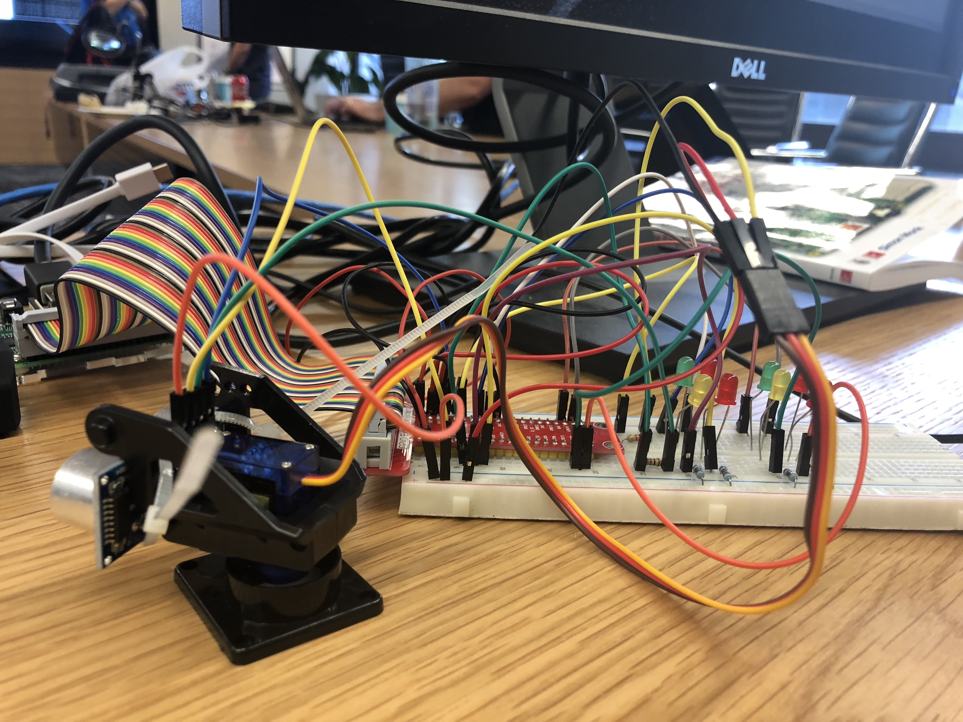

yellow | 7 | front_sensor_trig

green | 11 | front_sensor_echo | 12 | pan_control
 | 13 | lft_fr_fwd
 | 15 | lft_fr_rev | 16 | rt_fr_fwd
 |  |  | 18 | rt_fr_rev

 | 29 | lft_mtr_enable
yellow | 31 | back_sensor_trig | 32 | rt_mtr_enable
green | 33 | back_sensor_echo
 | 35 | lft_bk_fwd | 36 | rt_bk_fwd
 | 37 | lft_bk_rev | 38 | rt_bk_rev

 |  |  |  | image: http://pi4j.com/pins/model-3b-plus-rev1.html

